LDA
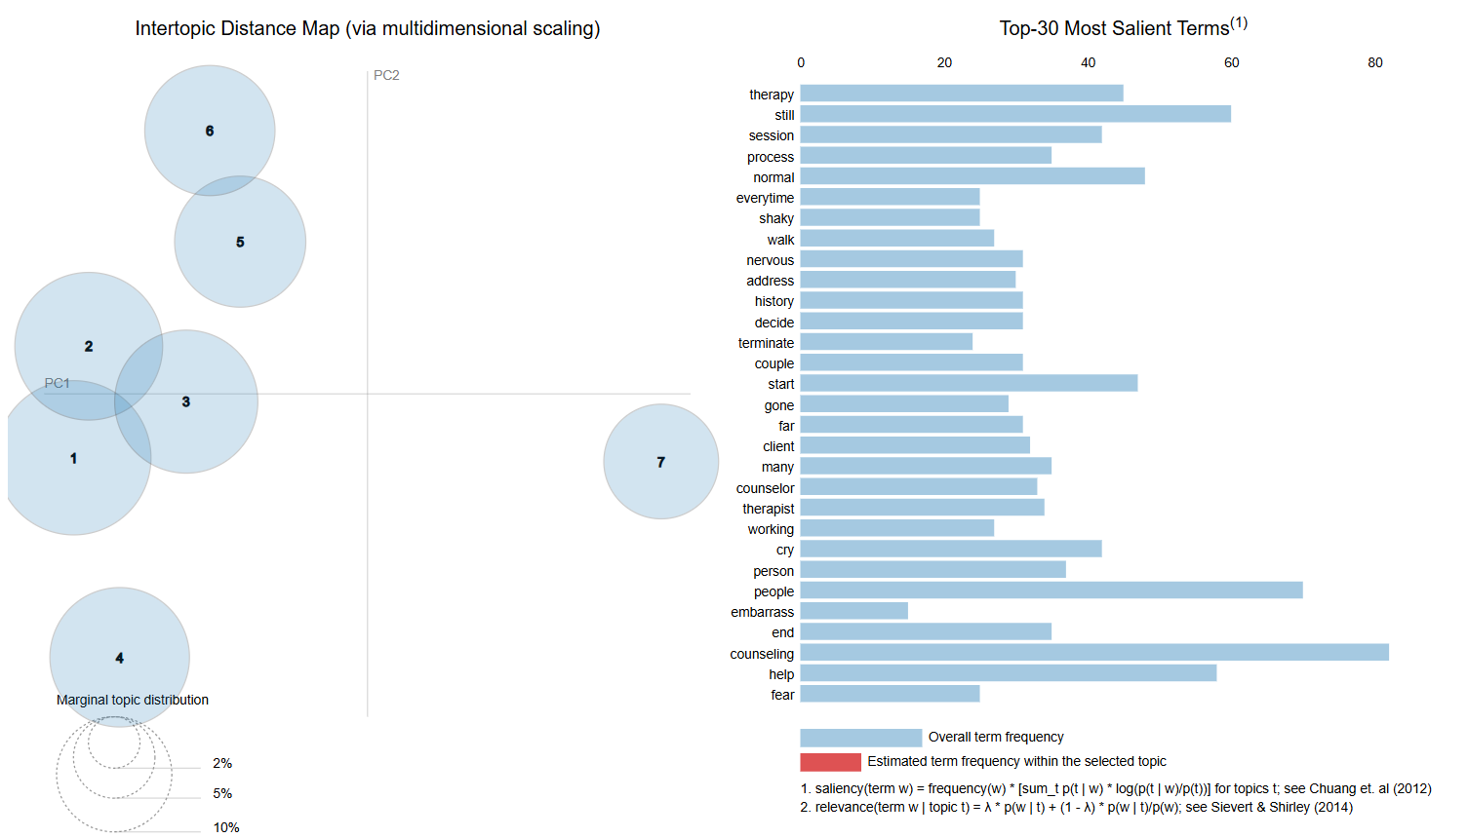
Topic Coherence
Num Topics | Perplexity | Coherence
2 | -8.5448453237 | 0.3270
3 | -8.660860325 | 0.3883
4 | -8.7675533805 | 0.35347541487
5 | -8.905455268 | 0.40581521628
6 | -8.9296792738 | 0.4120730721
7 | -8.9883523716 | 0.45808786896
8 | -9.0291790878 | 0.38525405351
9 | -9.1093325152 | 0.41301525405

Best Coherence Score | 0.45808786896

Perplexity

BERTopic
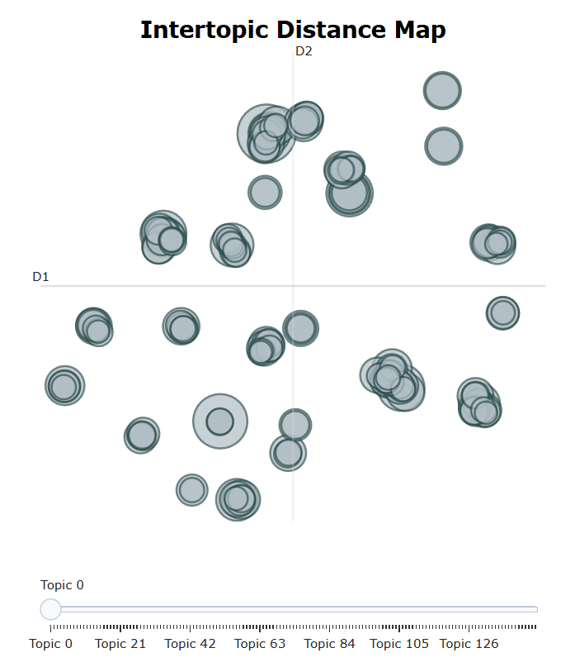
Coherence Score | 0.44690755136
Number of Topics | 148

